Manufacturing Processes
Component | Subcomponent | Part Name | Part Visual | Process/Operation | Specification/Tolerance
Lifting Mechanism | Locking Mechanism | Arced Bar | 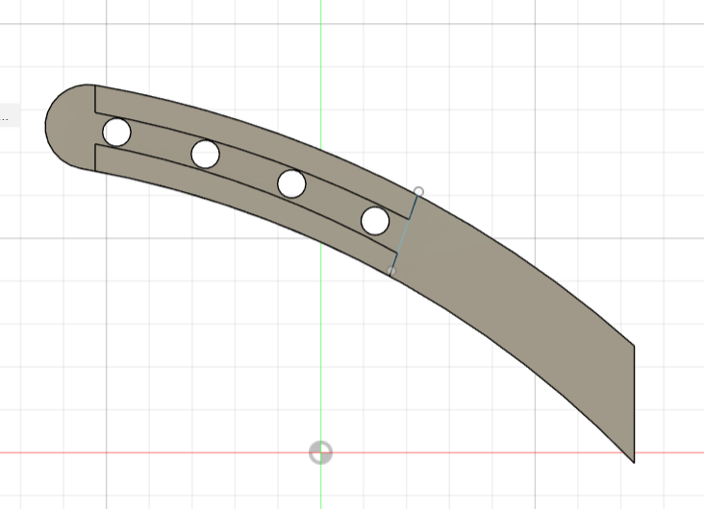 | Waterjet/ Laser cutter - Welded to horizontal connector to lifting mechanism - 4 mm gauge metal plate
 |  | Triangle support | 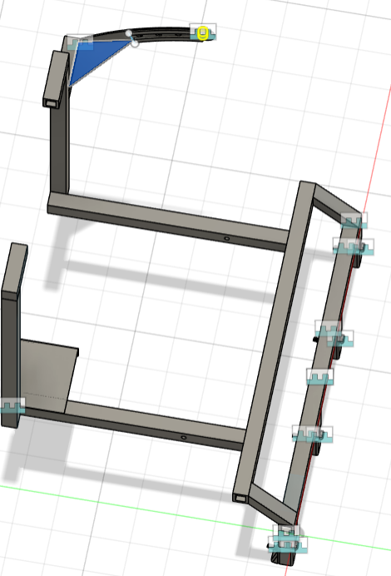 | Waterjet/Laser Cutter - Welded at horizontal connector bar and arced bar - 4 mm gauge metal plate
 |  | Arced Guides | 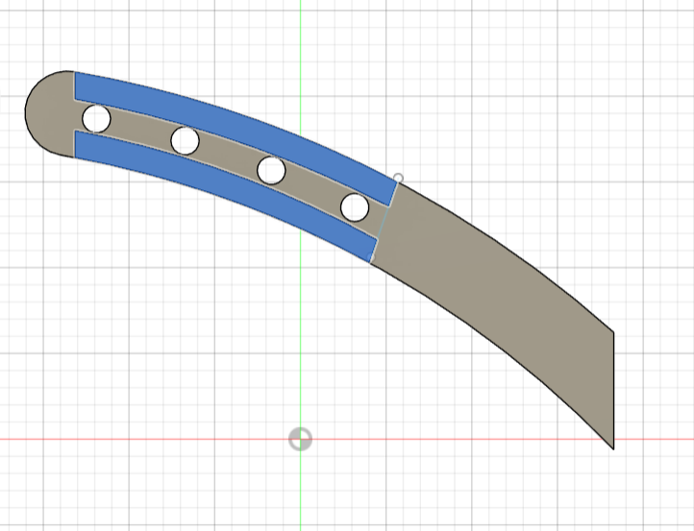 | Waterjet/ Laser cutter - Welded to arced Bar - 4 mm gauge metal plate | Guides are fit to holes with little clearance so spring plunger can be guided through arc
 | Plow Section | Plow Diagonal | 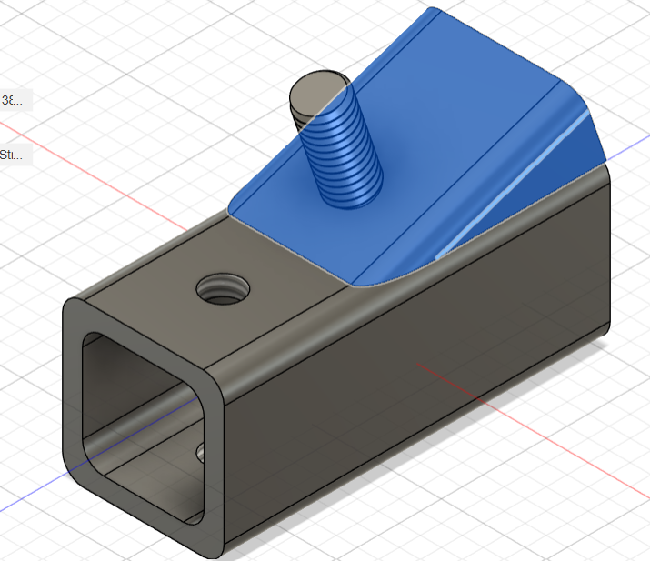 | Drill hole on bar and then use vertical Bandsaw to cut at angle and welded onto vertical bar | Hole is placed where threaded rod goes and can be a through hole. Drill at least 3 mm to create a base for the rod to be welded onto.
 |  | Plow Vertical | 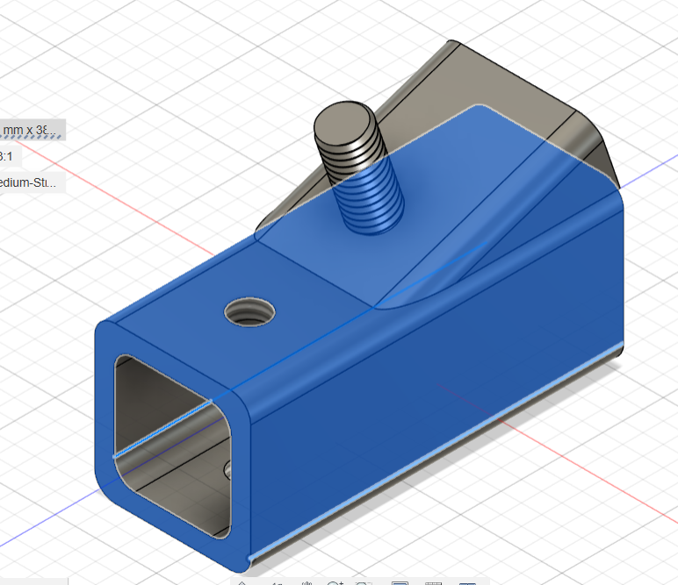 | Horizontal Bandsaw to cut bar. Drill press to create hole
 |  | Welded Rod | 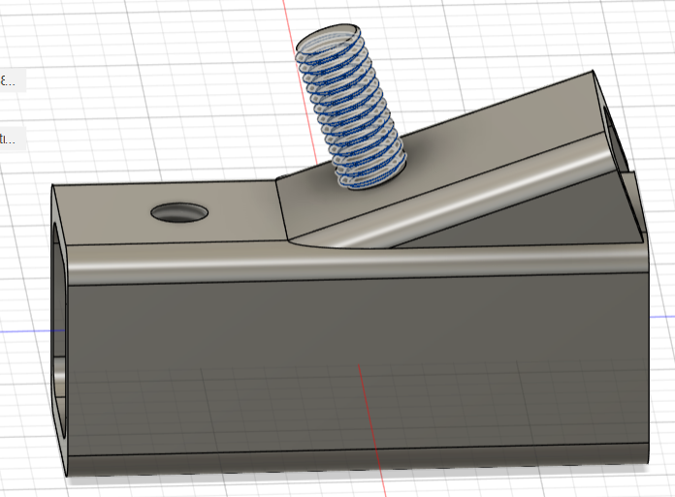 | Weld M10 (24 mm long) threaded rod normal to plow diagonal
 | LM Main Frame | Horizontal bars | 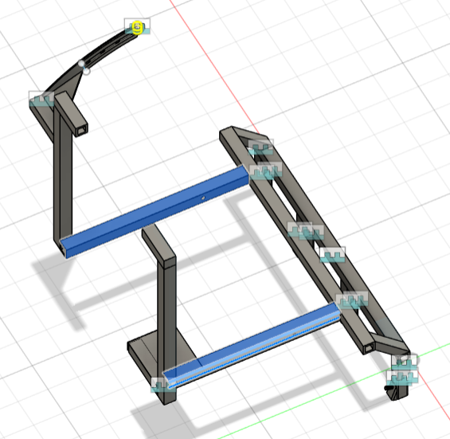 | Horizonal Bandsaw and Drill Press - welded to plow, foot pedal, and locking mechanism vertical
 |  | Plow Diagonal Bars | 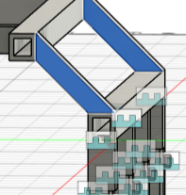 | Horizontal Bandsaw to cut angles and welded joints
 |  | LM Foot Pedal | 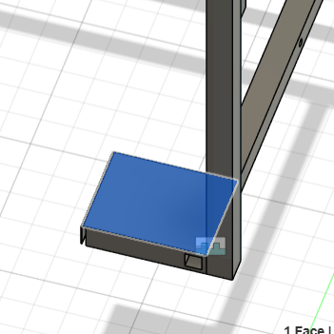 | Sheet metal bending and welded onto foot rest of LM
Frame | Wheel Attachment | Wheel Attachment Bars | 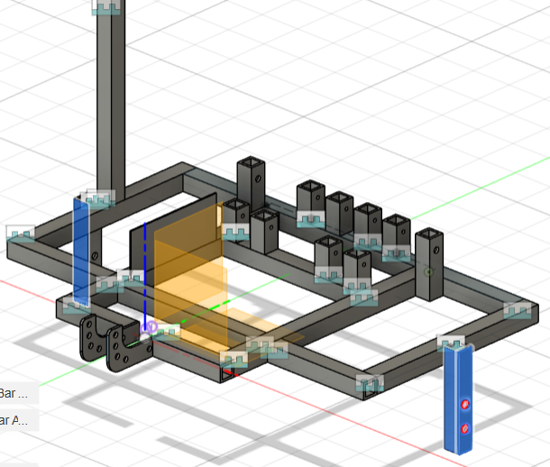 | Drill Press into steel tubing sections first, drilling through all material. Once completed, weld onto frame at the specification of manufacturing manual, ensuring both sides are at the same height and flush.
 | Hitching Attachment | Hitching Attachment piece | 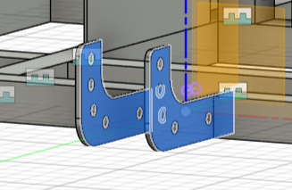 | Waterjet/Laser Cutter - Welded onto frame on 4mm gauge steel plate
 | Main Frame Components | Main Frame Components | 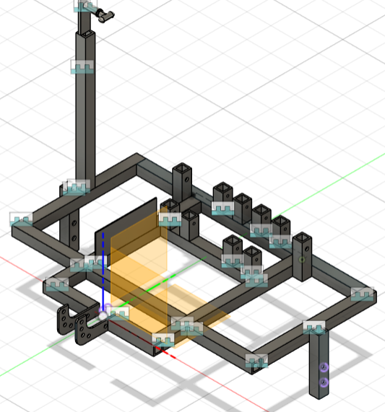 | Cut pieces following drawing lengths and drill holes at specified points. Then weld joints at specified points
 | Locking Mechanism |  | 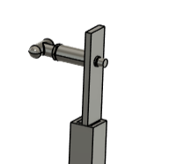 | Begin by drilling hole into vertical bar, where the spring plunger will be inserted. Weld spring plunger casing to the face of vertical bar. Weld vertical bar onto vertical steel tubing, with casing being on the inner side of the tractor.
 | Locking Mechanism |  | 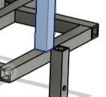 | Weld vertical tubing onto frame, ensuring that casing is pointed toward the interior of the tractor. The tubing will be welded onto the frame near the wheel attachment points. | Ensure casing is on interior, failure to do so will require removing the casing from its weld and rewelding it.
Seat |  | Seat Rest | 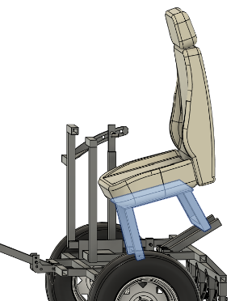 | 4 mm gauge steel plate welded to seat legs
 |  | Chains | 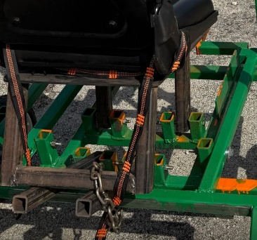 | Chains cut to length - 0.534 m
Spring Plunger |  | Extending Spring Plunger Length | 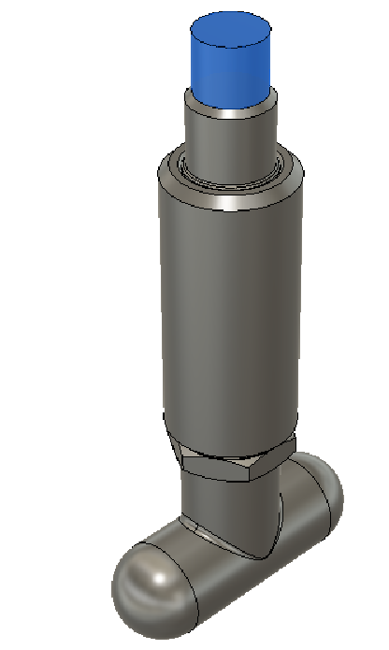 | If the appropriate length for spring plunger cannot be found then implement the modification here. Drill a 13.2mm hole into the top of the spring plunger extension. Tap with a

